Sheet1
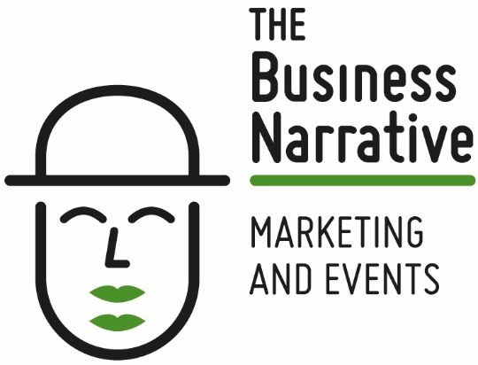

Event Engagement & ROI Calculator

Event Name: |  |  |  |  |  | Event date: | 2017-10-24

EVENT COSTS |  |  | ENGAGEMENT |  |  | REVENUE GENERATED
 |  |  |  |  |  |  | quant | ££ | total
General costs | Venue | £1,000 | Brand awareness | Twitter mentions |  | new sales opportunities total | 5 | £5,000 | £25,000
 | Speakers | £1,000 |  | Twitter retweets |  | existing sales opportunities total | 4 | £3,000 | £12,000
 | Technology | £1,000 |  | LinkedIn likes |  | customer upsell total | 3 | £3,500 | £10,500
 | Operations | £1,000 |  | Facebook likes
 | Signage | £1,000 |  | Press coverage |  | TOTAL REVENUE GENERATED |  |  | £47,500
 | Technology | £1,000 |  | influencer connections
 | Staff | £1,000
 |  |  | Attendees | Prospects
F&B | Food | £1,000 |  | Customers |  | EVENT ROI (Return on Investment)
 | Drink | £1,000 |  | influencer / referrer |  |  | ££
 | 10% overs | £200 |  | Partners |  | total costs | £23,200
 |  |  |  | Others |  | total revenue | £47,500
Travel | Hotel | £1,000
 | meals | £1,000 | Engagement | prospect conversations |  | RETURN ON INVESTMENT |  |  | 205%
 | travel | £1,000 |  | prospect meetings
 | other | £1,000 |  | customer conversations
 |  |  |  | customer meetings
Marketing | sponsorship | £1,000 |  |  |  | Notes
 | exhibition costs | £1,000 | New Leads | A leads |  | 1. Enter event name and start date
 | website | £1,000 |  | B leads |  | 2. Event date is a date format
 | branding | £1,000 |  | C leads |  | 3. Enter data in the GREEN boxes - all others are formulae
 | telemarketing | £1,000 |  |  |  | 4. The purple boxes are the key data points you are analysing
 | advertising | £1,000 | Sales opportunities | # new sales opps created |  | 5. The figures in event costs and revenue are dummy data
 | print | £1,000 |  | # existing sales opps accelerated |  | 6. You may wish to update this 1 / 3 / 6 months post event
 | give-aways | £1,000 |  | # prospect conversations
 |  |  |  | # prospect meetings
Consulting | marketing | £1,000
 | events | £1,000 |  |  |  | The Business Narrative is an events and marketing consultancy.
 |  |  | Total engagement touch points |  | 0 | Contact us on sasha@thebusinessnarrative.com for further information
Total event costs: |  | £23,200

